switch
reset button, all result reset

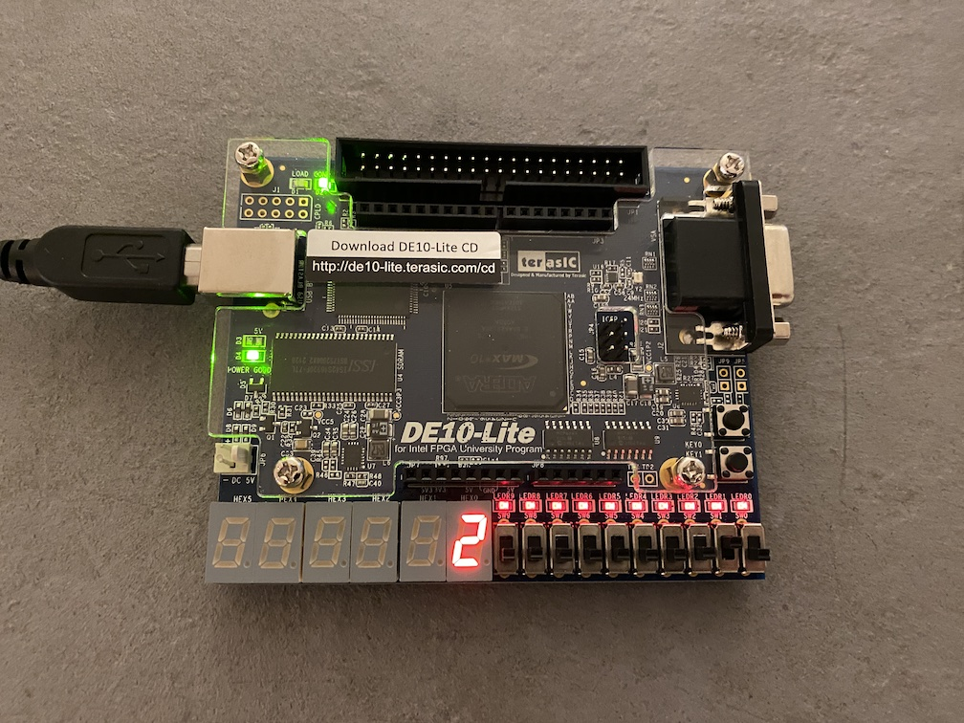

enter button

equal
during this slide switch was on, press the button 1 will generate result

display

arithmetic process
slide switch [1][0]
00 - add
01 - minus
10 - multiple
11 - divide

Input decimal selection
start from left:
hundred thousand
ten thousand
thousand
hundred
ten
one

Block diagram
input_value_setup
wire_S0
slide switch[9]
State controller
Calculate process

slide switch[8]

slide switch[7]

slide switch[6]

slide switch[5]

slide switch[4]

slide switch[2]

Display Src selector
4in
1out

7 segment
digit

digit_separator
digit_pos
0xE3

push_button_pulse_gen
（enter_pushBtn_pulse）

Push
button[1]
wire_res
ten_pos

hundred_pos

thousand_pos
500MHz Clock

7 segment
digit

ten_thousand_pos
push_button_pulse_gen
（reset_pushBtn_pulse）

Push
button[0]
hundred_thousand_pos

